Table 1
TECHNICAL TABLES

Technical Data
Chemical Requirements (mass percent)
GRADE | CARBON |  |  | MANGANESE |  |  | PHOSPHORUS |  |  | SULFUR |  |  | SILICON
 | MAX |  |  | MAX |  |  | MAX |  |  | MAX |  |  | MAX
HS-70™ (CT70) | 0.16 |  |  | 1.20 |  |  | 0.020 |  |  | 0.005 |  |  | 0.50
HS-80™ (CT80) | 0.16 |  |  | 1.20 |  |  | 0.020 |  |  | 0.005 |  |  | 0.50
HS-90™ (CT90) | 0.16 |  |  | 1.20 |  |  | 0.020 |  |  | 0.005 |  |  | 0.50
HS-110™ (CT110) | 0.16 |  |  | 1.65 |  |  | 0.020 |  |  | 0.005 |  |  | 0.50
HS-80 CRA™ | 0.03 |  |  | 6.00 |  |  | 0.040 |  |  | 0.030 |  |  | 1.00
HV-70™ (CT70) | 0.16 |  |  | 1.20 |  |  | 0.020 |  |  | 0.005 |  |  | 0.50
Tensile Requirements
GRADE STYIELD STYIELD TENSILE HARDNESS RENGTH RENGTH STRENGTH MAXIMUM
 | psi |  | MIN | MPa | psi | MAX |  | MPa | psi | MIN |  | MPa | BODY AND WELD HRC
HS-70™ (CT70) | 70,000 |  |  | 483 | 80,000 |  |  | 552 | 80,000 |  |  | 552 | 22
HS-80™ (CT80) | 80,000 |  |  | 552 | 90,000 |  |  | 621 | 88,000 |  |  | 607 | 22
HS-90™ (CT90) | 90,000 |  |  | 621 | 100,000 |  |  | 689 | 97,000 |  |  | 669 | 22
HS-110™ (CT110) | 110,000 |  |  | 758 |  |  |  |  | 115,000 |  |  | 793 | 30
HS-80 CRA™ | 80,000 |  |  | 552 |  |  |  |  | 100,000 |  |  | 689 | 30
HV-70™ (CT70) | 70,000 |  |  | 483 | 80,000 |  |  | 552 | 80,000 |  |  | 552 | 22
Tolerances (*) for Diameter at Tubing Body Maximum Depth of Trim
in mm in mm
ALL SIZES |  | -0.010 to +0.010 -0.25 to +0.25 0.150 and less 0.151 to 0.300 |  |  |  |  |  |  |  |  |  | 3.8 and less 3.9 to 7.6 |  | 0.10 t 0.015 in 0.4 mm
Tolerances for Wall Thickness
SPECIFIED WALL THICKNESS (T) |  |  |  |  |  |  |  |  |  |  | TOLERANCE
in |  |  |  | mm |  |  | in |  |  |  |  |  | mm
< 0.110 |  |  |  | < 2.8 |  |  | -0.005 to +0.010 |  |  |  |  |  | -0.1 to +0.2
0.110 to 0.175 |  |  |  | 2.8 to 4.4 |  |  | -0.008 to +0.012 |  |  |  |  |  | -0.2 to +0.3
0.176 to 0.250 |  |  |  | 4.5 to 6.4 |  |  | -0.012 to +0.012 |  |  |  |  |  | -0.3 to +0.3
> 0.250 |  |  |  | > 6.4 |  |  | -0.015 to +0.015 |  |  |  |  |  | -0.4 to +0.4
(*) Tolerance measured at the place of manufacture, prior to spooling. 2

SIZE DESIGNATION
TOLERANCE

SPECIFIED WALL THICKNESS (t)
MAXIMUM DEPTH OF TRIM

Table 24
Common Metric Conversion Factors
multiply by |  |  |  |  |  |  |  |  |  | to convert to |  |  |  |  |  | to convert to
in ft mile |  |  | 2.54 cm 0.3048 m 1.609344 km |  |  |  |  |  |  |  |  |  |  | °F (°F − 32) / 1.8 °C °F (°F + 459.67) / 1.8 °K
multiply by |  |  |  |  |  |  |  |  |  | to convert to |  |  |  |  | multiply by |  |  | to convert to
in² ft² |  |  | 6.4516 0.09290304 |  |  |  |  |  |  | cm² m² |  |  |  | cp 0.001 |  |  | Pa s
VOLUME (GAS/FLUID)
PRESSURE DROP/LENGTH
multiply by |  |  |  |  |  |  |  |  |  | to convert to |  |  |  |  | multiply by |  |  | to convert to
in³ | 16.38706 | cm³ |  |  |  | psi/100ft | 0.2262059 |  |  |  | kPa/m
ft³ | 0.02831685 | m³
gal | 3,785.412 | cm³

bbl | 0.1589873 | m³
mL 1.0 |  |  |  |  |  |  |  | cm³ |  |  |  | Commonly used Coiled Tubing Material Properties for the purpose of these calculations:
PRESSURE
multiply by multiply by |  |  |  |  |  |  |  |  |  | to convert to to convert to |  |  | α Effective Roughness / inner diameter of CT string
 |  |  |  | Coefficient of Thermal Expansion
psi | 6.894757 | kPa |  | 6.51 x 10-6 / °F or (11.7 x 10-6 / °C)
ksi | 6894.757 | kPa |  | s
bar | 100 | kPa |  | Effective Roughness
atm | 101.325 | kPa |  | 0.0018 in
 |  |  |  | s/D
MASS |  |  |  | Relative Roughness
 |  |  |  | v
lbm | 0.4535924 | kg |  | Poisson’s Ratio
ton | 0.9071847 | t (metric) |  | 0.30
 |  |  |  | μ
FORCE |  |  |  | Shear Modulus
to convert to |  |  |  |  | multiply by multiply by |  |  |  |  | to convert to to convert to |  |  | 11.7 x 106 psi or (8.2 x 103 kg/mm2) 30 x 106 psi or (21.55 x 103 kg/mm2)
 |  |  |  | p
lbf | 4.448222 | N |  | Steel Density
tonf | 8.896444 | kN |  | 0.284 lbs/in3 or (7.86 g/cm3)
 |  |  |  | E
VELOCITY |  |  |  | Young’s Modulus
ft/s |  |  | 0.3048 |  |  |  |  |  | m/s |  |  | ADD YOURS
POWER
multiply by to convert to
hpBtu 0.7456999 kW
26

LENGTH
AREA

TEMPERATURE
VISCOSITY

General The following calculations are based upon the known tubing dimensions:
MINIMUM INNER DIAMETER (IDm) Inner diameter of the tubing determined using the minimum wall thickness for specified nominal wall thickness. 1. IDm = OD - 2 tm
NOMINAL INNER DIAMETER (IDn) Inner diameter of the tubing determined using the nominal wall thickness specified. 2. IDn = OD - 2 tn
MINIMUM CROSS-SECTIONAL AREA (Am) Tubing cross-sectional area based upon its minimum wall thickness. π
3. Am = 4 (OD² - IDm² )
4
NOMINAL CROSS-SECTIONAL AREA (An) Tubing cross-sectional area based upon its nominal wall thickness. 4. An = π (OD² - IDn² )
27

Specific Calculations The following define the tubing properties

Table 25
WEIGHT (Wi) Weight of the tubing using the nominal wall thickness per unit length:
5. Wi = An p |  | p Density, for steel p = 0.284 lbs/in³.
YIELD LOAD CAPACITY (Ly) Axial tension load to produce stress equal to the specified minimum yield strength (σy) using the nominal wall thickness:
6. Ly = σh An
ULTIMATE LOAD CAPACITY (Lu) Axial tension load to produce stress equal to the specified minimum ultimate tensile strength (σuts) using the nominal wall thickness:
7. Lu = σuts An
YIELD TORQUE (Ty) Torque that will stress the outer surface to the specified minimum yield strength: 2 τy J
8. Ty = OD |  | τy Shear yield strength according to the Maximum Distortion-Energy Theory. J Polar moment of inertia.
τy = 0.577 σy
m
J = π (OD4 - ID4 )
32
ULTIMATE TORQUE (Tu) Torque that will stress the inner surface to the specified minimum yield strength. This condition causes the yield strength to be exceeded through the wall of the tubing:
9. Tu | π τy (OD³ - ID³m) = 12
28

Table 28
f
ϵ/D
3.7
2.5
Re f
With these values known, the Darcy friction factor can be found graphically using the Moody chart:
0.1 f 0.09 ϵ 0.08 Wholly turbulent flow D 0.07 0.05 0.04 0.06 0.03 0.05 0.02 0.04 0.015 0.01 0.008 0.03 0.006 0.004 0.025 0.002 0.02 0.001 Laminar 0.0008 0.015 flow Smooth 0.0006 0.0004 0.0002 Transition range 0.0001 0.01 0.00005 0.009 0.008 0.00001 2 (10)3 4 6 8 2 (10)4 4 6 8 2 (10)5 4 6 8 2 (10)6 4 6 8 2 (10)7 4 6 8 103 104 105 106 107
or calculated by an iterative process with Colebrook’s equation:
1 = -2log +
The following unit conversions are useful for these calculations:
1 BPM = 9.36 x 10-² ft³/s 1 cP = 6.72 x 10-4 lbm/ft·s 1 ppg = 7.48 lbm/ft³ gc = 32.174 (lbm ft/s²)/lbf
The following table provides common fluid properties used in these calculations:
FLUID | DENSITY | VISCOSITY
68ºF | lbm/f³ | (cP)
Fresh water | 62.310 | 0.9784
10 ppg brine | 74.806 | 2.3000
15% HCI | 66.967 | 1.9500
Diesel | 51.724 | 1.6200
31

Calculation of Burst Yield Pressure for Round Tubing

Table 30
COLLAPSE YIELD PRESSURE Is defined as the amount of external pressure that will cause the Von Mises equivalent stress at the tube inside surface to equal the material yield strength.
We assume no internal pressure. Denote the external pressure as p0. The axial stress is the same as that given by (1). The radial pressure at the inner surface is zero:
20. 21. |  |  |  | σr = 0 From analytical calculations, we get hoop stress: σh = -2p0 OD² OD² - ID² Substituting (11), (16) and (17) into (14), we get:
p
=
22 |  |  |  |  | collapse 0 | -σa ± σy² - 3σa² 2C
C = 2OD² (OD² - ID²)
Because conventionally collapse pressure is negative, we add a negative sign before the positive root.
15000 12500 10000 7500 5000 2500 0 -2500 -5000 -7500 -10000 -12500 -15000 0 2500 5000 7500 10000 12500 15000 17500 20000 LOAD ON TUBING (lb)

 | Bur | st Yield

 |  |  | Colla | pse Yield

33

Free Point Calculation & CT Stretch Table

Table 32
in in |  |  | in in |  |  |  | in in
1.000 x 1.250 x 1.500 x 1.750 x | 0.080 0.087 0.095 0.102 0.109 0.116 0.125 0.134 0.080 0.087 0.095 0.102 0.109 0.116 0.125 0.134 0.145 0.156 0.175 0.080 0.087 0.095 0.102 0.109 0.116 0.125 0.134 0.145 0.156 0.175 0.190 0.204 0.087 0.095 0.102 0.109 0.116 0.125 | 578 624 675 719 763 805 859 911 735 795 862 920 977 1033 1104 1175 1258 1340 1478 892 965 1048 1120 1191 1261 1350 1438 1543 1647 1821 1955 2076 1136 1235 1320 1405 1489 1595 |  | 2.000 x 2.375 x 2.625 x | 0.134 0.145 0.156 0.175 0.190 0.204 0.224 0.250 0.102 0.109 0.116 0.125 0.134 0.145 0.156 0.175 0.190 0.204 0.224 0.250 0.280 0.125 0.134 0.145 0.156 0.175 0.190 0.204 0.224 0.250 0.280 0.300 0.134 0.145 0.156 0.175 0.190 0.204 | 1701 1828 1953 2165 2328 2477 2685 2945 1520 1619 1716 1841 1964 2113 2259 2508 2701 2878 3125 3436 3782 2209 2359 2540 2719 3024 3261 3478 3784 4172 4607 4889 2622 2824 3025 3367 3634 3879 |  | 2.875 x 3.250 x 3.500 x 4.500 x 5.000 x | 0.224 0.250 0.280 0.30 0.145 0.156 0.175 0.190 0.204 0.224 0.25 0.28 0.30 0.175 0.190 0.204 0.224 0.250 0.280 0.300 0.175 0.19 0.204 0.224 0.250 0.280 0.300 0.175 0.19 0.204 0.224 0.250 0.280 0.300 0.280 0.300 | 4224 4663 5157 5478 3109 3331 3711 4007 4280 4664 5154 5707 6067 4226 4566 4880 5324 5890 6531 6951 4570 4939 5281 5763 6381 7081 7540 5944 6432 6883 7523 8345 9280 9896 10380 11074

35

SPECIFIED OD SPECIFIED WALL FPC

SPECIFIED OD SPECIFIED WALL FPC

SPECIFIED OD SPECIFIED WALL FPC
Collapse/Burst Charts
37

HS-70™ (CT70) | 1.00" OD
0.080"
0.134"
0.087"
0.095"
0.102"
0.109"
0.116"
0.125"
20000
17500
15000
12500
10000
7500
5000
2500
0
-2500
-5000
-7500
-10000
-12500
-15000
-17500
-20000
0
2500
5000
7500 10000 12500 15000 17500 20000 22500 25000 27500 30000
LOAD ON TUBING (lb)
HS-70™ (CT70) | 1.25" OD
0.080"
0.134"
0.087"
0.145"
0.095"
0.156"
0.102"
0.175"
0.109"
0.116"
0.125"
20000
17500
15000
12500
10000
7500
5000
2500
0
-2500
-5000
-7500
-10000
-12500
-15000
-17500
-20000
0
3750
7500 11250 15000 18750 22500 26250 30000 33750 37500 41250 45000
LOAD ON TUBING (lb)

38

HS-70™ (CT70) | 1.50" OD
0.080"
0.134"
0.087"
0.145"
0.095"
0.156"
0.102"
0.175"
0.109"
0.19"
0.116"
0.204"
0.125"
20000
17500
15000
12500
10000
7500
5000
2500
0
-2500
-5000
-7500
-10000
-12500
-15000
-17500
-20000
0
5000 10000 15000 20000 25000 30000 35000 40000 45000 50000 55000
60000
LOAD ON TUBING (lb)
HS-70™ (CT70) | 1.75" OD
0.087"
0.145"
0.095"
0.156"
0.102"
0.175"
0.109"
0.19"
0.116"
0.204"
0.125"
0.224"
0.134"
0.25"
20000
17500
15000
12500
10000
7500
5000
2500
0
-2500
-5000
-7500
-10000
-12500
-15000
-17500
-20000
0
7500 15000 22500 30000 37500 45000 52500 60000 67500 75000 82500 90000
LOAD ON TUBING (lb)
 | 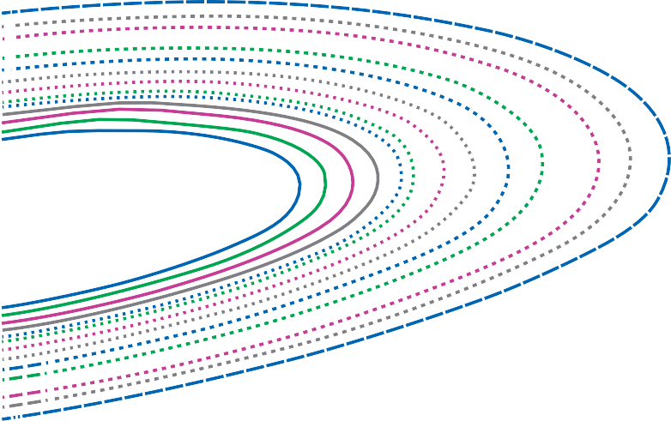
 | 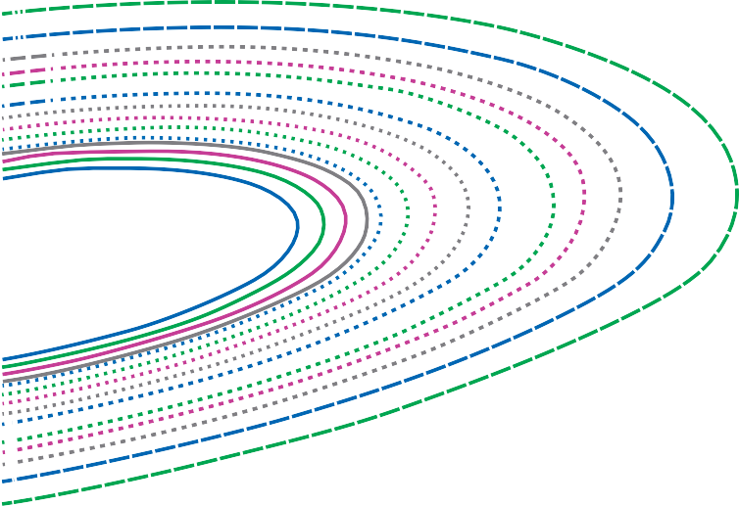

39

HS-70™ (CT70) | 2.00" OD
0.102"
0.175"
0.109"
0.19"
0.116"
0.204"
0.125"
0.224"
0.134"
0.25"
0.145"
0.28"
0.156"
20000
17500
15000
12500
10000
7500
5000
2500
0
-2500
-5000
-7500
-10000
-12500
-15000
-17500
-20000
0
10000 20000 30000 40000 50000 60000 70000 80000 90000 100000 110000 120000
LOAD ON TUBING (lb)
HS-70™ (CT70) | 2.375" OD
0.125"
0.224"
0.134"
0.25"
0.145"
0.28"
0.156"
0.3"
0.175"
0.19"
0.204"
20000
17500
15000
12500
10000
7500
5000
2500
0
-2500
-5000
-7500
-10000
-12500
-15000
-17500
-20000
0
12500 25000 37500 50000 62500 75000 87500 100000 112500 125000 137500 150000
LOAD ON TUBING (lb)
 | 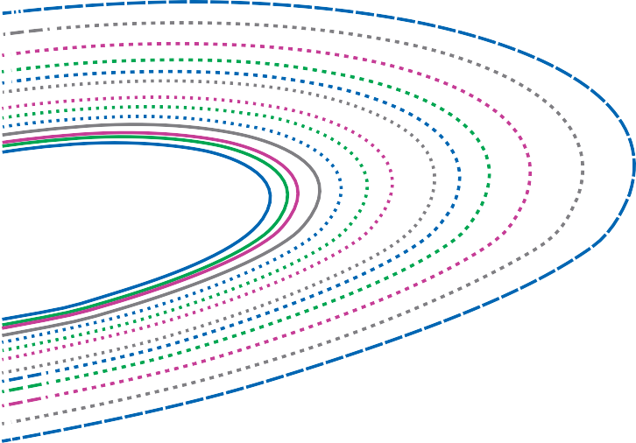
 | 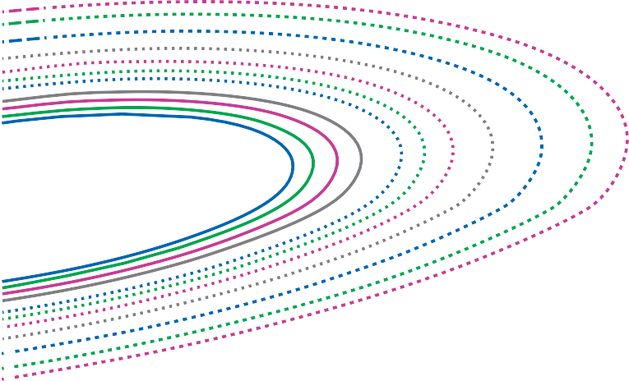

40

HS-70™ (CT70) | 2.675" OD
0.134"
0.25"
0.145"
0.28"
0.156"
0.3"
0.175"
0.19"
0.204"
0.224"
20000
17500
15000
12500
10000
7500
5000
2500
0
-2500
-5000
-7500
-10000
-12500
-15000
-17500
-20000
0
15000 30000 45000 60000 75000 90000 105000 120000 135000 150000 165000 180000
LOAD ON TUBING (lb)
 | 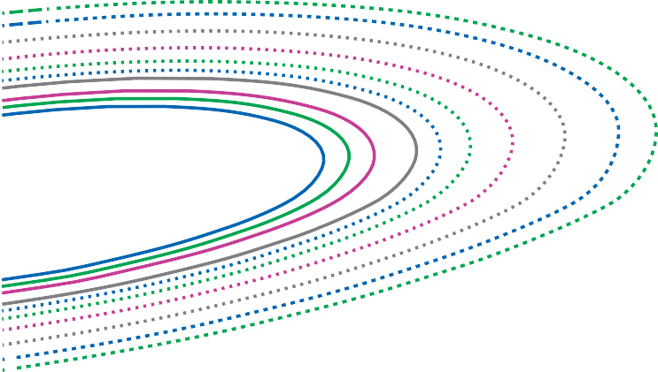
HS-70™ (CT70) | 2.875" OD
0.145"
0.28"
0.156"
0.3"
0.175"
0.19"
0.204"
0.224"
0.25"
20000
17500
15000
12500
10000
7500
5000
2500
0
-2500
-5000
-7500
-10000
-12500
-15000
-17500
-20000
0
15000 30000 45000 60000 75000 90000 105000 120000 135000 150000 165000 180000
LOAD ON TUBING (lb)

41

HS-70™ (CT70) | 3.50" OD
0.175"
0.19"
0.204"
0.224"
0.25"
0.28"
0.3"
20000
17500
15000
12500
10000
7500
5000
2500
0
-2500
-5000
-7500
-10000
-12500
-15000
-17500
-20000
0
20000 40000 60000 80000 100000 120000 140000 160000 180000 200000 220000 240000
LOAD ON TUBING (lb)
 | 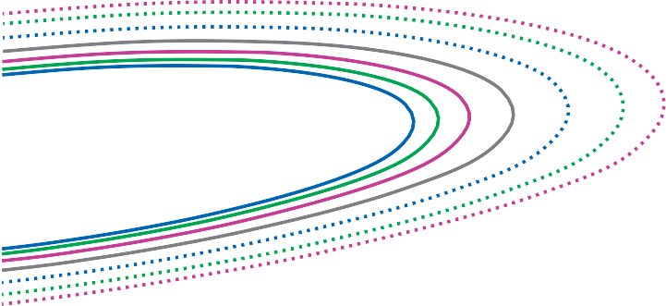
HS-70™ (CT70) | 4.50" OD
0.224"
0.25"
0.28"
0.3"
16000
14000
12000
10000
8000
6000
4000
2000
0
-2000
-4000
-6000
-8000
-10000
-12000
-14000
-16000
0
25000 50000 75000 100000 125000 150000 175000 200000 225000 250000 275000 300000
LOAD ON TUBING (lb)

42

HS-80™ (CT80) | 1.00" OD
0.08"
0.134"
0.087"
0.095"
0.102"
0.109"
0.116"
0.125"
24000
21000
18000
15000
12000
9000
6000
3000
0
-3000
-6000
-9000
-12000
-15000
-18000
-21000
-24000
0
2500 5000
7500 10000 12500 15000 17500 20000 22500 25000 27500 30000
LOAD ON TUBING (lb)
HS-80™ (CT80) | 1.25" OD
0.08"
0.134"
0.087"
0.145"
0.095"
0.156"
0.102"
0.175"
0.109"
0.116"
0.125"
24000
21000
18000
15000
12000
9000
6000
3000
0
-3000
-6000
-9000
-12000
-15000
-18000
-21000
-24000
0
4000 8000 12000 16000 20000 24000 28000 32000 36000 40000 44000 48000
LOAD ON TUBING (lb)
 | 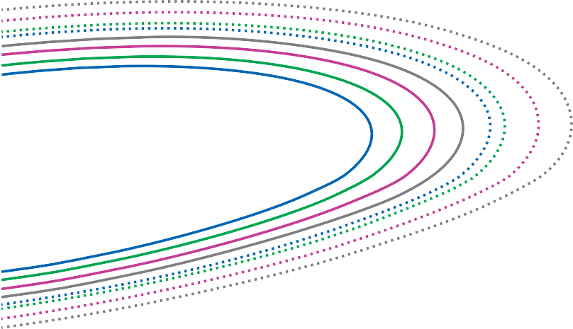
 | 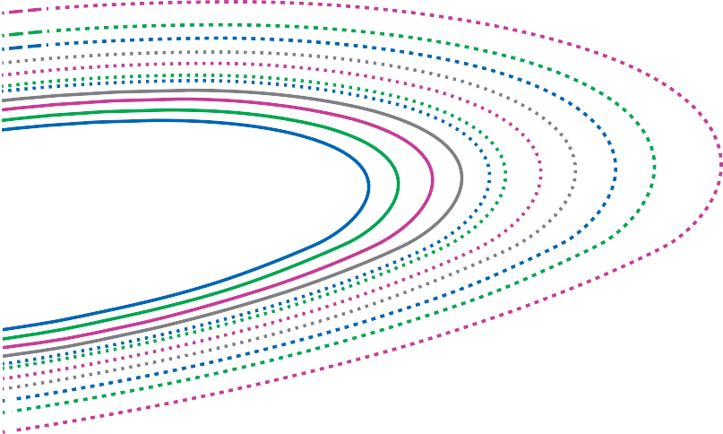

43

HS-80™ (CT80) | 1.50" OD
0.08"
0.134"
0.087"
0.145"
0.095"
0.156"
0.102"
0.175"
0.109"
0.19"
0.116"
0.204"
0.125"
24000
21000
18000
15000
12000
9000
6000
3000
0
-3000
-6000
-9000
-12000
-15000
-18000
-21000
-24000
0
6000 12000 18000 24000 30000 36000 42000 48000 54000 60000 66000 72000
LOAD ON TUBING (lb)
HS-80™ (CT80) | 1.75" OD
0.087"
0.145"
0.095"
0.156"
0.102"
0.175"
0.109"
0.19"
0.116"
0.204"
0.125"
0.224"
0.134"
0.25"
24000
21000
18000
15000
12000
9000
6000
3000
0
-3000
-6000
-9000
-12000
-15000
-18000
-21000
-24000
0
10000 20000 30000 40000 50000 60000 70000 80000 90000 100000 110000 120000
LOAD ON TUBING (lb)
 | 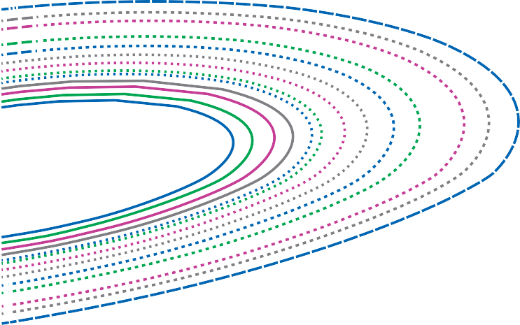
 | 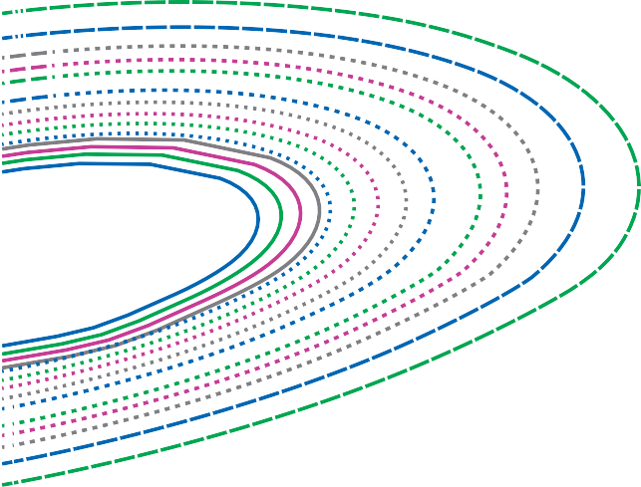

44

HS-80™ (CT80) | 2.00" OD
0.102"
0.175"
0.109"
0.19"
0.116"
0.204"
0.125"
0.224"
0.134"
0.25"
0.145"
0.28"
0.156"
24000
21000
18000
15000
12000
9000
6000
3000
0
-3000
-6000
-9000
-12000
-15000
-18000
-21000
-24000
0
12000 24000 36000 48000 60000 72000 84000 96000 108000 120000 132000 144000
LOAD ON TUBING (lb)
HS-80™ (CT80) | 2.375" OD
0.125"
0.224"
0.134"
0.25"
0.145"
0.28"
0.156"
0.3"
0.175"
0.19"
0.204"
24000
21000
18000
15000
12000
9000
6000
3000
0
-3000
-6000
-9000
-12000
-15000
-18000
-21000
-24000
0
15000 30000 45000 60000 75000 90000 105000 120000 135000 150000 165000 180000
LOAD ON TUBING (lb)
 | 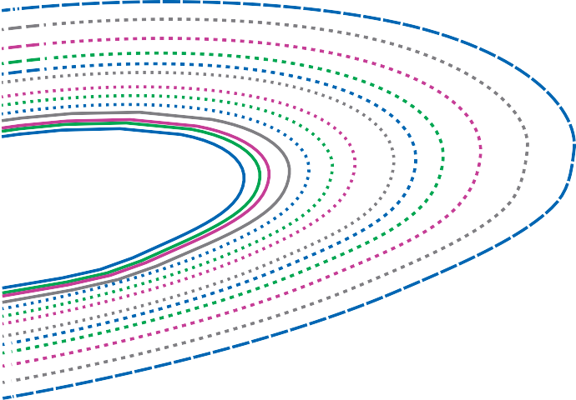
 | 

45

HS-80™ (CT80) | 2.675" OD
0.134"
0.25"
0.145"
0.28"
 | 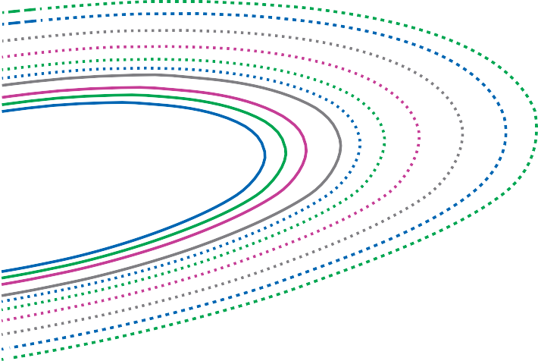
 | 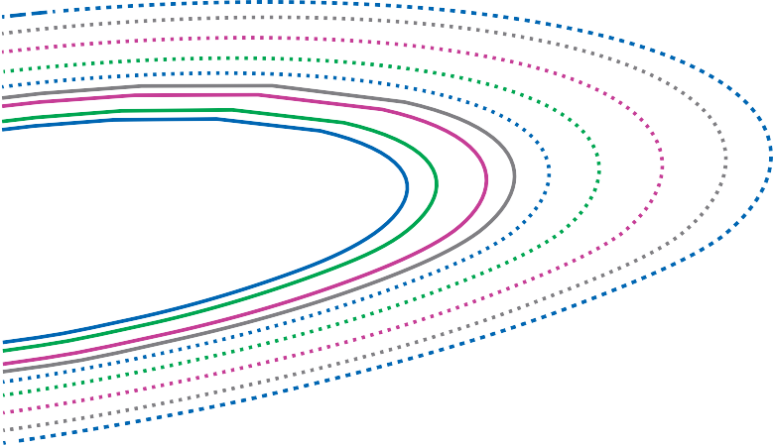

46

47

 | 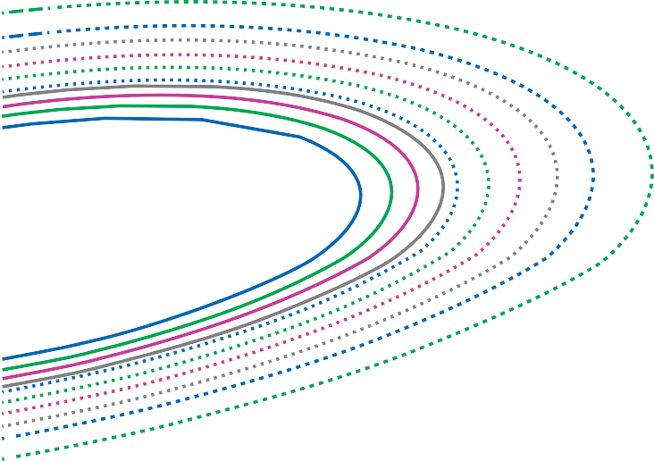

48

 | 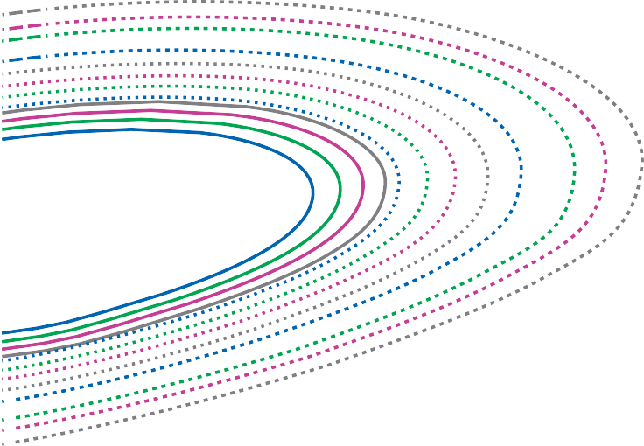
 | 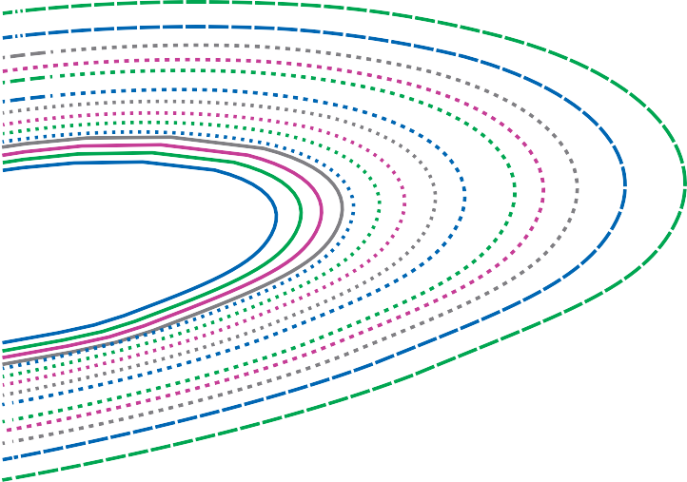

49

 | 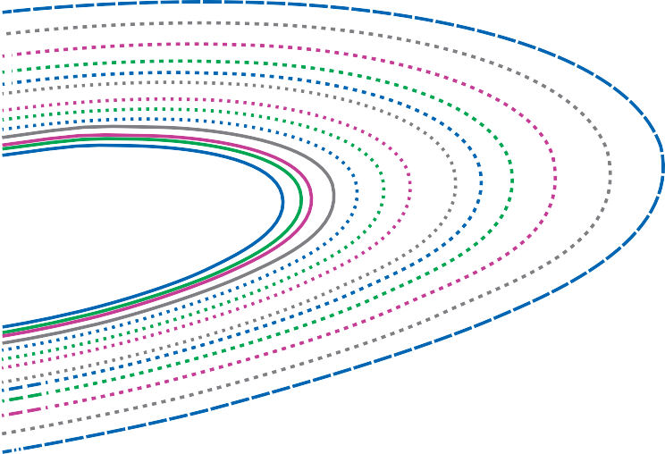
 | 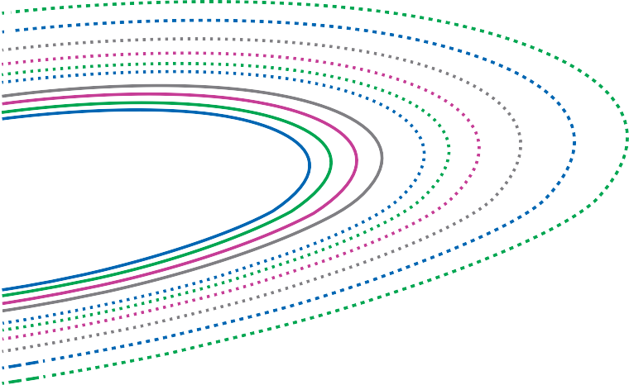

50

 | 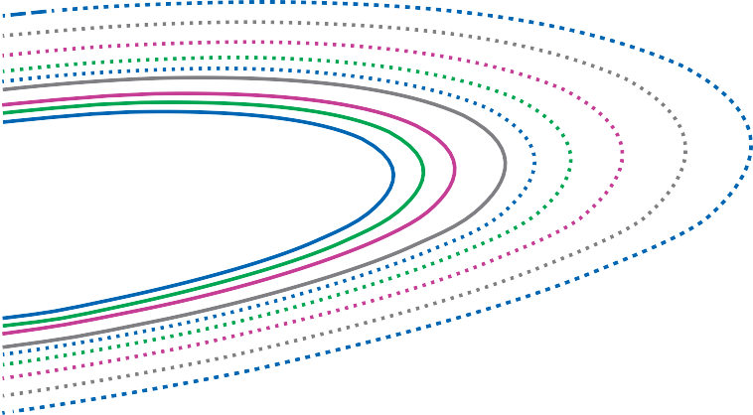

51

52

53

 | 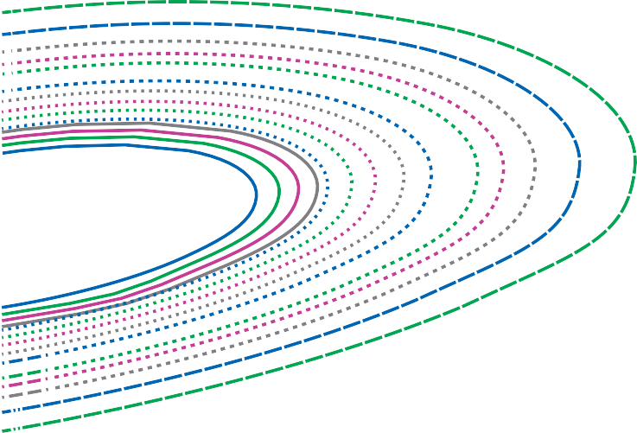
 | 

54

55

Table 33
HS-80 CRA™ | 0.375" OD
0.035" | 0.05" | 0.065" 0.075"
32000 28000 24000 20000 16000 12000 8000 4000 0 -4000 -8000 -12000 -16000 -20000 -24000 -28000 -32000 0 500 1000 1500 2000 2500 3000 3500 4000 4500 5000 5500 6000 LOAD ON TUBING (lb)
56

HS-110™ (CT110) | 4.50" OD
0.224"
0.25"
0.28"
20000
17500
15000
12500
10000
7500
5000
2500
0
-2500
-5000
-7500
-10000
-12500
-15000
-17500
-20000
0
37500 75000 112500 150000 187500 225000 262500 300000 337500 375000 412500 450000
LOAD ON TUBING (lb)

Table 34
HS-80 CRA™ | 0.50" OD
0.035" | 0.05" | 0.065" 0.075" 0.09"
32000 28000 24000 20000 16000 12000 8000 4000 0 -4000 -8000 -12000 -16000 -20000 -24000 -28000 -32000 0 1000 2000 3000 4000 5000 6000 7000 8000 9000 10000 11000 12000 LOAD ON TUBING (lb)
57

HS-80 CRA™ | 0.625" OD
0.035"
0.125"
0.05"
0.065"
0.075"
0.09"
0.1"
0.109"
32000
28000
24000
20000
16000
12000
8000
4000
0
-4000
-8000
-12000
-16000
-20000
-24000
-28000
-32000
0
1500
3000
4500
6000
7500
9000 10500 12000 13500 15000 16500 18000
LOAD ON TUBING (lb)

58

HS-80 CRA™ | 0.75" OD
0.035"
0.125"
0.05"
0.134"
0.065"
0.075"
0.09"
0.1"
0.109"
32000
28000
24000
20000
16000
12000
8000
4000
0
-4000
-8000
-12000
-16000
-20000
-24000
-28000
-32000
0
2000
4000
6000
8000 10000 12000 14000 16000 18000 20000 22000 24000
LOAD ON TUBING (lb)
HS-80 CRA™ | 0.875" OD
0.05"
0.134"
0.065"
0.153"
0.075"
0.09"
0.1"
0.109"
0.125"
32000
28000
24000
20000
16000
12000
8000
4000
0
-4000
-8000
-12000
-16000
-20000
-24000
-28000
-32000
0
25000 50000 75000 100000 125000 150000 175000 200000 225000 250000 275000 300000
LOAD ON TUBING (lb)

59

HS-80 CRA™ | 1.00" OD
0.05"
0.134"
0.065"
0.153"
0.075"
0.09"
0.1"
0.109"
0.125"
24000
21000
18000
15000
12000
9000
6000
3000
0
-3000
-6000
-9000
-12000
-15000
-18000
-21000
-24000
0
3000
6000
9000 12000 15000 18000 21000 24000 27000 30000 33000 36000
LOAD ON TUBING (lb)
HS-80 CRA™ | 1.25" OD
0.05"
0.134"
0.065"
0.153"
0.075"
0.09"
0.1"
0.109"
0.125"
20000
17500
15000
12500
10000
7500
5000
2500
0
-2500
-5000
-7500
-10000
-12500
-15000
-17500
-20000
0
3750
7500 11250 15000 18750 22500 26250 30000 33750 37500 41250 45000
LOAD ON TUBING (lb)

60

HS-80 CRA™ | 1.50" OD
0.065"
0.153"
0.075"
0.09"
0.1"
0.109"
0.125"
0.134"
20000
17500
15000
12500
10000
7500
5000
2500
0
-2500
-5000
-7500
-10000
-12500
-15000
-17500
-20000
0
5000 10000 15000 20000 25000 30000 35000 40000 45000 50000 55000 60000
LOAD ON TUBING (lb)
HS-80 CRA™ | 1.75" OD
0.075"
0.09"
0.1"
0.109"
0.125"
0.134"
0.153"
16000
14000
12000
10000
8000
6000
4000
2000
0
-2000
-4000
-6000
-8000
-10000
-12000
-14000
-16000
0
6000 12000 18000 24000 30000 36000 42000 48000 54000 60000 66000 72000
LOAD ON TUBING (lb)

61

HS-80 CRA™ | 2.00" OD
0.09"
0.1"
0.109"
0.125"
0.134"
0.153"
16000
14000
12000
10000
8000
6000
4000
2000
0
-2000
-4000
-6000
-8000
-10000
-12000
-14000
-16000
0
6500 13000 19500 26000 32500 39000 45500 52000 58500 65000 71500 78000
LOAD ON TUBING (lb)
HV-70™ (CT70) | 1.00" OD
0.095" Nominal Wall Thickness
0.109" Nominal Wall Thickness
0.125" Nominal Wall Thickness
20000
17500
15000
12500
10000
7500
5000
2500
0
-2500
-5000
-7500
-10000
-12500
-15000
-17500
-20000
0
2000
4000
6000
8000 10000 12000 14000 16000 18000 20000 22000 24000
LOAD ON TUBING (lb)

Table 35
HV-70™ (CT70) | 1.25" OD
0.095" No | minal Wal Thickness | 0.109" Nominal Wall Thickness | 0.125" Nominal Wall Thickness
20000 17500 15000 12500 10000 7500 5000 2500 0 -2500 -5000 -7500 -10000 -12500 -15000 -17500 -20000 0 3000 6000 9000 12000 15000 18000 21000 24000 27000 30000 33000 36000 LOAD ON TUBING (lb)
62

HV-70™ (CT70) | 1.50" OD
0.109" Nominal Wall Thickness
0.125" Nominal Wall Thickness
16000
14000
12000
10000
8000
6000
4000
2000
0
-2000
-4000
-6000
-8000
-10000
-12000
-14000
-16000
0
4000 8000 12000 16000 20000 24000 28000 32000 36000 40000 44000 48000
LOAD ON TUBING (lb)

63

HV-70™ (CT70) | 1.75" OD
0.109" Nominal Wall Thickness
0.125" Nominal Wall Thickness
16000
14000
12000
10000
8000
6000
4000
2000
0
-2000
-4000
-6000
-8000
-10000
-12000
-14000
-16000
0
5000 10000 15000 20000 25000 30000 35000 40000 45000 50000 55000 60000
LOAD ON TUBING (lb)
HV-70™ (CT70) | 2.00" OD
0.109" Nominal Wall Thickness
0.125" Nominal Wall Thickness
16000
14000
12000
10000
8000
6000
4000
2000
0
-2000
-4000
-6000
-8000
-10000
-12000
-14000
-16000
0
6000 12000 18000 24000 30000 36000 42000 48000 54000 60000 66000 72000
LOAD ON TUBING (lb)

Buoyancy Factors

Table 36
Immersed weight = air weight x bouyancy factor.
lb/gal lb/gal
6.0 6.2 6.4 6.6 6.8 7.0 7.2 7.4 7.6 7.8 8.0 8.2 8.3 8.4 8.6 8.8 9.0 9.2 9.4 9.6 9.8 10.0 10.2 10.4 10.6 10.8 11.0 11.2 11.4 11.6 11.8 12.0 12.2 12.4 12.6 12.8 | 0.9083 0.9053 0.9022 0.8991 0.8961 0.8930 0.8900 0.8869 0.8839 0.8808 0.8778 0.8747 0.8727 0.8716 0.8686 0.8655 0.8625 0.8594 0.8564 0.8533 0.8502 0.8472 0.8441 0.8411 0.8380 0.8350 0.8319 0.8289 0.8258 0.8227 0.8197 0.8166 0.8136 0.8105 0.8075 0.8044 | 13.0 13.2 13.4 13.6 13.8 14.0 14.2 14.4 14.6 14.8 15.0 15.2 15.4 15.6 15.8 16.0 16.2 16.4 16.6 16.8 17.0 17.2 17.4 17.6 17.8 18.0 18.2 18.4 18.6 18.8 19.0 19.2 19.4 19.6 19.8 20.0 | 0.8013 0.7983 0.7952 0.7922 0.7891 0.7861 0.7830 0.7800 0.7769 0.7738 0.7708 0.7677 0.7647 0.7616 0.7586 0.7555 0.7524 0.7494 0.7463 0.7433 0.7402 0.7372 0.7341 0.7311 0.7280 0.7249 0.7219 0.7188 0.7158 0.7127 0.7097 0.7066 0.7035 0.7005 0.6974 0.6944

Buoyancy Factor compensates for loss of weight due to immersion in fluid. Data applies only when tubing is completely filled with fluid. 65

FLUID WEIGHT
BUOYANCY FACTOR
FLUID WEIGHT
BUOYANCY FACTOR

